not forcing intercept
Month Portfolios, Slope=0.381, SE=0.1827
Event Month Portfolios, Slope=0.3362, SE=0.0566
100 stocks window 1512
betas1 | means1 | betas2 | means2
0.0087414829121 | 0.066628428035 | 0.18082631233 | 0.063058374857
0.11054945677 | 0.044656741644 | 0.29616453462 | 0.097106962435
0.15412347913 | 0.1058410399 | 0.2961540094 | 0.10653400463
0.058529582169 | 0.073688830245 | 0.27067639367 | 0.076342344209
0.096819541223 | 0.1209469138 | 0.34609160638 | 0.081455250817
0.049024831539 | 0.096124097203 | 0.20370508645 | 0.091221512242
-0.12366999736 | 0.10256143311 | 0.12776957893 | 0.15434564287
0.34464876647 | 0.086701447098 | 0.24265400292 | 0.083575777428
0.032878380717 | 0.11116342549 | 0.075010582219 | 0.062915939854
0.11800297144 | 0.10932272314 | 0.24616234208 | 0.050822343545

Chart Title
Chart Title
250 stocks window 1512
betas1 | means1 | betas2 | means2
-0.08531001358 | 0.085915584854 | 0.078384825822 | 0.067980559774
-0.012992311168 | 0.093678469357 | 0.17602327761 | 0.10036332479
-0.094343999056 | 0.056215321392 | 0.22076485531 | 0.10178039354
0.19654013971 | 0.060952969776 | 0.18122079072 | 0.11089412243
0.058518695088 | 0.10606154821 | 0.20506861066 | 0.061279391704
-0.015656814159 | 0.089504608566 | 0.091280573965 | 0.097125363254
0.079034571988 | 0.10909953728 | 0.14069201284 | 0.097180054073
0.013098265687 | 0.09742860669 | 0.43898739242 | 0.082685376564
0.37697154453 | 0.055476078142 | 0.15981101582 | 0.081379173977
-0.13900132377 | 0.079834722904 | 0.35628990768 | -0.026623324407

 |  |  |  | Slope: 0.1000 |  | Slope: 0.2630
 |  |  |  | Standard Error: 0.1865 |  | Standard Error: 0.0880
 |  |  |  | p-value: 0.6048 |  | p-value: 0.0152
Chart Title
Chart Title
100 stocks window 2520
betas1 | means1 | betas2 | means2
0.060020834352 | 0.072311537101 | 0.15393813689 | 0.062021455021
0.08309692567 | 0.055624643326 | 0.1896720072 | 0.074846877806
0.054105620919 | 0.066093277448 | 0.049382803646 | 0.064238526982
0.030107568855 | 0.10172011968 | 0.21969790143 | 0.067670861818
0.12512802416 | 0.12046798231 | -0.092744344321 | 0.068278201629
-0.15220110564 | 0.084952462561 | 0.13780596822 | 0.09608229261
0.24894565284 | 0.086254041825 | 0.24461559581 | 0.11355693176
0.34905359558 | 0.066445252609 | 0.32671507078 | 0.088448620368
-0.037734751824 | 0.12010042487 | 0.37938311767 | 0.066301974174
0.28806649504 | 0.11818666081 | 0.43317104575 | 0.065909902654

 |  |  |  |  | Slope: 0.2860 | Slope: 0.2501
 |  |  |  |  | Standard Error: 0.1425 | Standard Error: 0.0616
 |  |  |  |  | p-value: 0.0756 | p-value: 0.0028
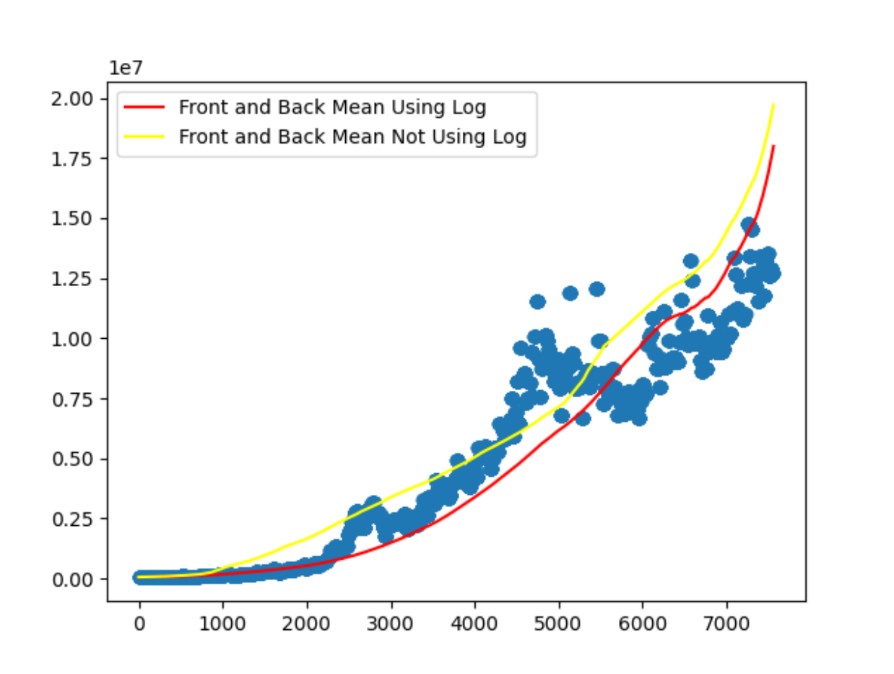
 |  |  |  |  |  |  | red line

Chart Title
500 stocks window 2520
Chart Title
betas1 | means1 | betas2 | means2
-0.022038422839 | 0.064354678562 | 0.07748009017 | 0.067707047538
-0.049883558822 | 0.075517624888 | 0.15556819197 | 0.067133092273
0.15666750036 | 0.076556875634 | 0.27803437646 | 0.069669733876
0.094434251209 | 0.079364904588 | 0.34361635513 | 0.078559915492
0.022857960981 | 0.10535249094 | 0.092572286391 | 0.10669528715
-0.057344154581 | 0.089520514254 | 0.34816263923 | 0.106004456
-0.11716352566 | 0.094180975028 | 0.1494699253 | 0.059399917372
0.2821376377 | 0.093127118308 | 0.26708877693 | 0.093714029735
0.30562868235 | 0.055686006235 | 0.2674482536 | 0.028966317944
0.024047279517 | 0.059114083302 | 0.50679386018 | 0.011994199546

 |  |  |  | Slope: 0.1989 |  | Slope: 0.2014
 |  |  |  | Standard Error: 0.1657 |  | Standard Error: 0.0592
 |  |  |  | p-value: 0.2608 |  | p-value: 0.0078

forcing intercept
betas1 | means1 | betas2 | means2
0.14081035603 | 0.082135042151 | 0.27077665302 | 0.065402818124
0.13143391088 | 0.041206189364 | 0.39222968933 | 0.11716028504
0.23452698276 | 0.091772976184 | 0.4178965684 | 0.087400903729
0.19098796769 | 0.087394405904 | 0.3831895027 | 0.10271140489
0.21949873266 | 0.11792992449 | 0.27127931893 | 0.074072362092
0.12216863933 | 0.074226652786 | 0.27801831012 | 0.057249316438
0.067774209249 | 0.095179992683 | 0.20926601732 | 0.13408245248
0.31293507337 | 0.11169401575 | 0.45913352605 | 0.088944898591
0.17426292942 | 0.076922441402 | 0.16339598975 | 0.076243381717
0.36571397384 | 0.094846581462 | 0.26605476233 | 0.042600121667

100 stock, 1512 size

Chart Title
Chart Title
betas1 | means1 | betas2 | means2
0.17971991859 | 0.078523125296 | 0.27138329284 | 0.070430081648
0.10992714652 | 0.053178639547 | 0.19526475764 | 0.075298883217
0.23958519267 | 0.095423776039 | 0.16817226139 | 0.070603567188
0.094966522903 | 0.07997010507 | 0.26994412703 | 0.045680442437
0.23455398638 | 0.12827917382 | 0.18768774826 | 0.07739556205
-0.067697117039 | 0.057699288681 | 0.10671730693 | 0.10639524799
0.37469476615 | 0.10942910661 | 0.39348353252 | 0.094832769587
0.3816333785 | 0.072629776703 | 0.42691898422 | 0.11203455609
0.13473154366 | 0.09285448651 | 0.41095106906 | 0.043041453595
0.38930707845 | 0.1094989565 | 0.48497136425 | 0.064026406478

